Sheet1


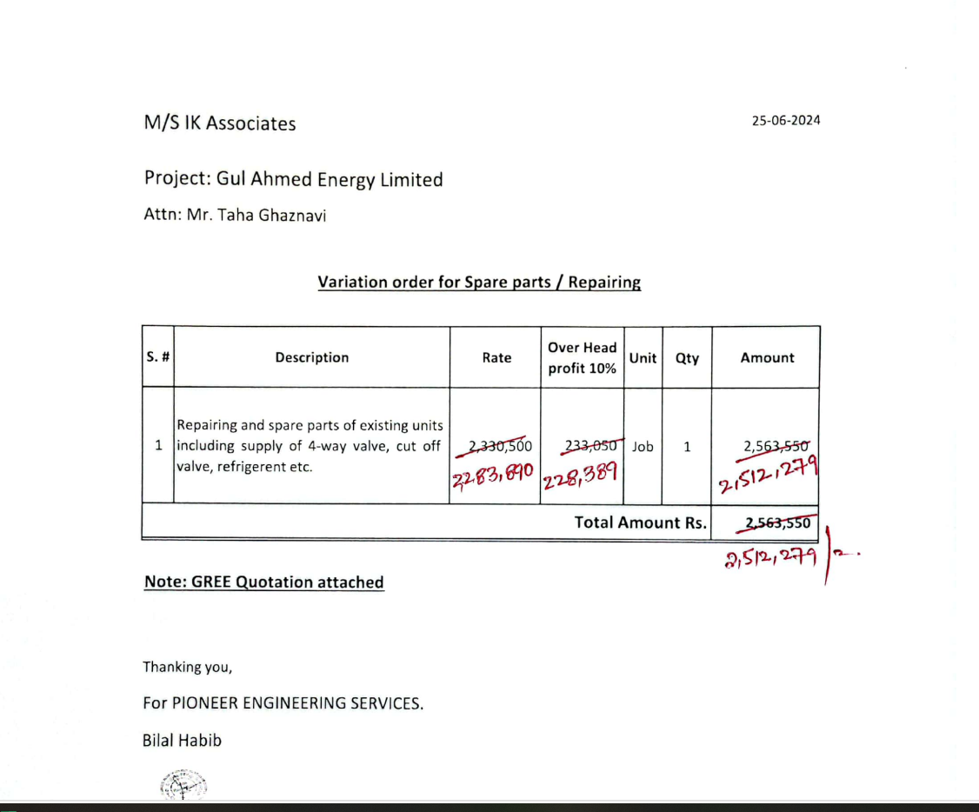

M/S IK Associates |  |  |  |  |  | 2024-06-29

Project: Gul Ahmed Energy Limited

Attn: Mr. Taha Ghaznavi

Variation order for Spare parts / Repairing

S. # | Description | Rate | Over Head profit 28% | Unit | Qty | Amount
1 | Repairing and spare parts of existing units including supply of 4-way valve, cut off valve, refrigerent etc. | 2,330,500 | 233,050 | Job | 1 | 2,563,550 | Telephonoc conversation held Mr Muazz from Ik and nadeem iqbal 28% OVERhead profit will be shared half and half
Total Amount Rs. |  |  |  |  |  | 2,563,550

Note: GREE Quotation attached

Thanking you,

For PIONEER ENGINEERING SERVICES.

Bilal Habib

